Scenario Diagrams
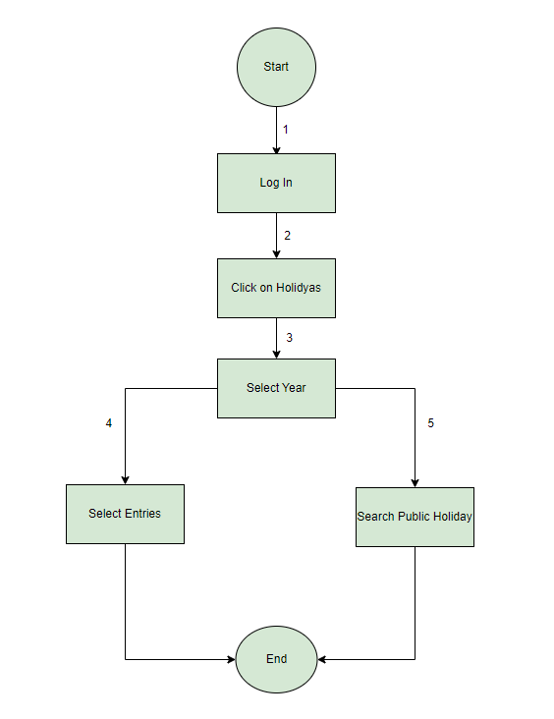
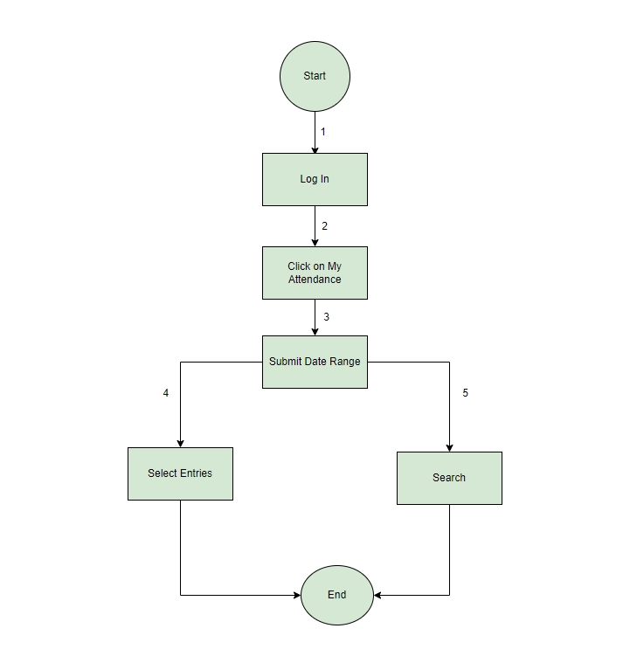
 | Scenario Diagram for My Profile |  | Scenario Diagram for Apply Leave
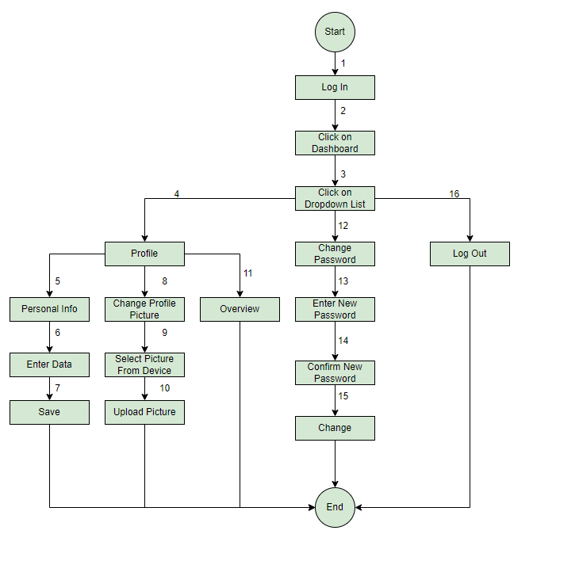
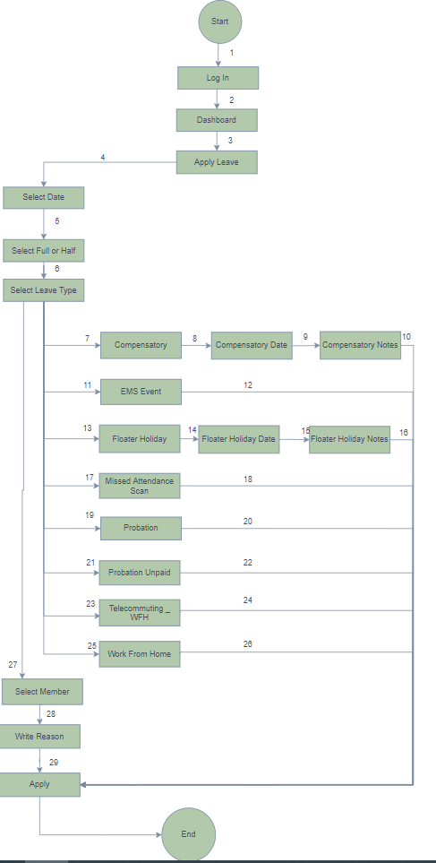

Scenario Diagram for To Check Public Holidays |  | Scenario Diagram for To Check My Attendance

State Transition Diagram
State Transition Diagram for To Check Leave Status
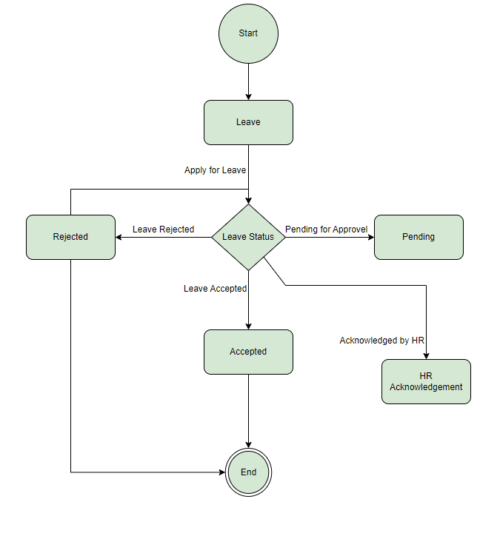
 | Object | Leave
 | Events/ actions | Apply for Leave Leave Accepted Leave Rejected Pending for Approvel Acknowledged by HR
 | States | Start Leave Accepted Rejected Pending HR Acknowledgement End

